Certificate Tracker
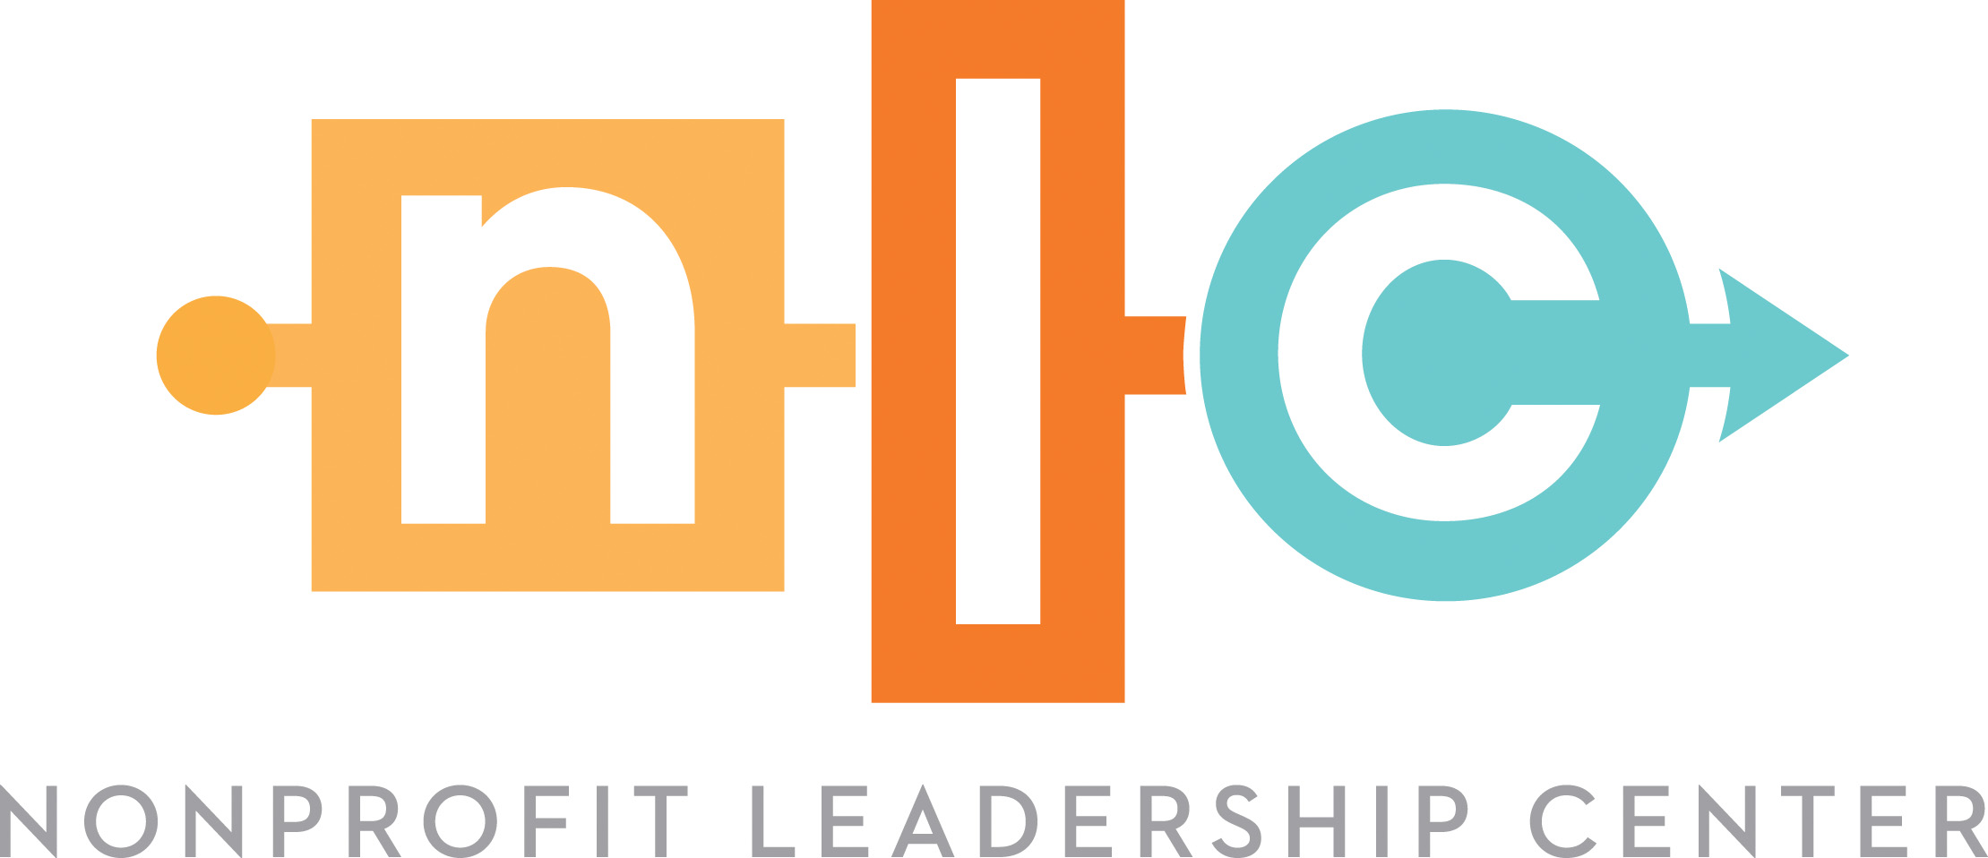
Certificate in Fund Development Leadership
 |  |  |  |  |  | *Please note: The Fundraising 101: Certificate in Fund Development Fundamentals, cohort programs, conferences, and custom trainings are not eligible for elective hours.
Name:
Email:
Organization:
Role Title:

*Requirements: 34 hours Core Coursework + 46 hours Elective Coursework |  |  | Hours | Date | Completed | Notes
Type | Course Title | Trainer
Core | Secure More Strategic Partnerships & Achieve Collective Impact to Grow Your Nonprofit | Mandy Cloninger | 4 |  | FALSE
Core | Approach Fundraising Like a Team Sport | Mandy Cloninger | 4 |  | FALSE
Core | Develop a Winning Case for Support | Sara Leonard | 6 |  | FALSE
Core | Develop a Winning Fundraising Strategy | Sara Leonard | 8 |  | FALSE
Core | From the C-Suite: How to Overcome the Top 10 Fundraising Challenges of Nonprofit Leaders | Mandy Cloninger | 4 |  | FALSE
Core | How to Meet and Exceed Unique Donor Needs | Mandy Cloninger | 4 |  | FALSE
Core | Secrets to a Better Annual Giving Strategy | Sara Leonard | 4 |  | FALSE
Elective |  |  |  |  | FALSE
Elective |  |  |  |  | FALSE
Elective |  |  |  |  | FALSE
Elective |  |  |  |  | FALSE
Elective |  |  |  |  | FALSE
Elective |  |  |  |  | FALSE
Elective |  |  |  |  | FALSE
Elective |  |  |  |  | FALSE
Elective |  |  |  |  | FALSE

 |  | Subtotal | 34
 |  | Hours Required Total | 46

 |  |  |  |  |  | Sign here upon completion of the tracker | Date

 |  |  |  |  |  | Email completed tracker to ikhalili@nlctb.org

